P1
 | Sum of Total Sales
January | 71.5M
February | 61.1M
March | 56.8M
April | 72.3M
May | 80.5M
June | 74.7M
July | 95.5M
August | 92.2M
September | 77.7M
October | 63.9M
November | 67.9M
December | 85.8M

P2
Midwest | 135.8M
Northeast | 186.3M
South | 144.7M
Southeast | 163.2M
West | 269.9M

P3
Men | 486.2M
Women | 413.7M

P4
In-store | 356.6M
Online | 247.7M
Outlet | 295.6M

P5
Walmart | 74.6M
Amazon | 77.7M
Kohl's | 102.1M
Sports Direct | 182.5M
Foot Locker | 220.1M
West Gear | 243.0M

REG_PY
Row Labels | Distinct Count of Region | PY
2020 | 5
2021 | 5 | 0.00%
Grand Total | 5

294.23%
vs PY
vs PY
324.07%
vs PY
576.36%
vs PY
336.14%
vs PY
-12.36%
vs PY
20.00%
vs PY
0.00%

Dashboard
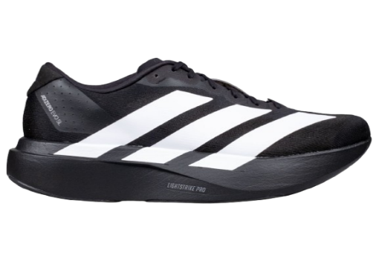

ADIDAS SALES EXECUTIVE DASHBOARD

Overview of Sales Performance(Wholesale)

TOTAL SALES ($)
OPERATING PROFIT ($)
OPERATING MARGIN
UNITS SOLD
AVG PRICE ($)
AVG SALES/ORDER
AVG UNITS/ORDER

899.9M
332.1M
42.3%
2.5M
$45.22
93 K
256.9

MONTHY SALES TREND
SALES BY REGION
 | Total
January | 71.5M
February | 61.1M
March | 56.8M
April | 72.3M
May | 80.5M
June | 74.7M
July | 95.5M
August | 92.2M
September | 77.7M
October | 63.9M
November | 67.9M
December | 85.8M
 | Total
Midwest | 135.8M
Northeast | 186.3M
South | 144.7M
Southeast | 163.2M
West | 269.9M

SALES BY GENDER
SALES BY SALES METHOD
TOP 10 RETAILERS BY SALES
 | Total
In-store | 356.6M
Online | 247.7M
Outlet | 295.6M
 | Total
Walmart | 74.6M
Amazon | 77.7M
Kohl's | 102.1M
Sports Direct | 182.5M
Foot Locker | 220.1M
West Gear | 243.0M
 | Total
Men | 486.2M
Women | 413.7M

Data Source: Adidas Sales Dataset (Kaggle) | Currency : USD ($)
IMPOSSIBLE IS NOTHING

